REV 01
 |  | RULE FOR SHIFTWISE NG HANDLING FLOW |  | DOC. REF.:-ISD-QA-015 DATE:-12-12-2017 REV.NO:- 01

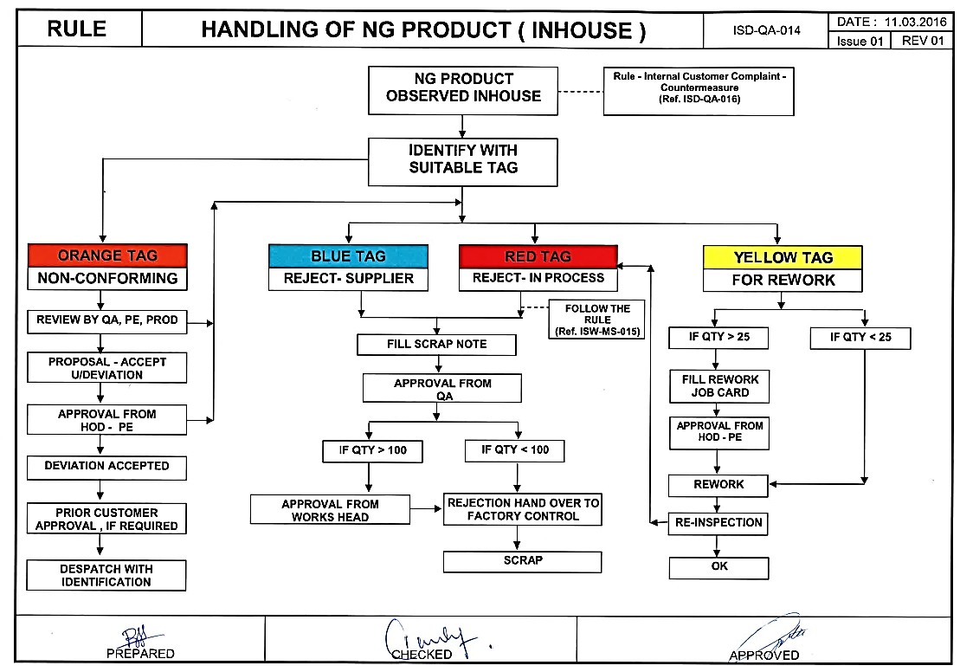
NG PARTS FROM LINE

VERIFICATION OF NG PARTS BY LINE ASSOCIATE
OK
MOVE PARTS TO NEXT OPERATION

NG

APPLY RED PAINT & UPDATE RED COLOUR NG TAG & KEEP THE PARTS IN RED BIN

REWORK THE PARTS BY SKILLED PERSONEL AS PER R/W PROCEDURE (ISF-MS-007)
RE VERIFICATION OF NG PARTS BY LINE LEADER

REWORK
OK
REMOVE THE RED PAINT & MOVE PARTS TO LINE

RE VERIFIY THE R/W PARTS
NG

NG
ENTER THE SCRAP DETAILS IN LOG BOOK BY LINE LEADER

OK
PRIOR TO MOVE SCRAP , ENSURE THE LOG BOOK QTY & PHIYSICAL QTY SHOULD MATCH

MOVE PARTS TO LINE AFTER CONFIRMATION BY QA

PREPARE THE SCRAP NOTE BY CHECKING THE SCRAP DETAILS FROM LOG BOOK
FOLLOW THE NG HANDLING RULE (Ref:ISD-QA-014) FOR SCRAPPING THE NG PARTS

01 | 12.12.2017 | REVISED AS PER IQA OBSERVATION
00 | 2016-03-09 | NEW DOCUMENT RELEASE
REV.NO. | DATE | DESCRIPTION | PREPARED BY | CHECKED BY | APPROVED BY
Rev01 : As per Internal audit Ensure the Log Book & Physical qty verification added

REV 02
 |  | RULE FOR SHIFTWISE NG HANDLING FLOW |  | DOC. REF.:-ISD-QA-015 DATE:-12-12-2017 REV.NO:- 01

NG PARTS FROM LINE

VERIFICATION OF NG PARTS BY LINE ASSOCIATE
OK
MOVE PARTS TO NEXT OPERATION

NG

APPLY RED PAINT & UPDATE RED COLOUR NG TAG & KEEP THE PARTS IN RED BIN

REWORK THE PARTS BY SKILLED PERSONEL AS PER R/W PROCEDURES (SOP-GL-XXX)
(ISF-MS-007)

RE VERIFICATION OF NG PARTS BY LINE LEADER

REWORK
OK
REMOVE THE RED PAINT & MOVE PARTS TO LINE

RE VERIFIY THE R/W PARTS
NG

NG
ENTER THE SCRAP DETAILS IN LOG BOOK BY LINE LEADER

OK
PRIOR TO MOVE SCRAP , ENSURE THE LOG BOOK QTY & PHIYSICAL QTY SHOULD MATCH

MOVE PARTS TO LINE AFTER CONFIRMATION BY QA

PREPARE THE SCRAP NOTE BY CHECKING THE SCRAP DETAILS FROM LOG BOOK
FOLLOW THE NG HANDLING RULE (Ref:ISD-QA-014) FOR SCRAPPING THE NG PARTS

NOTE -1 | DURING MASS PRODUCTION IF ANY ALARM OR MALFUNCTION OCCUEERS THEN PART WILL BE GET DROPPED IN RED BOX
 | WE HAVE TO REMOVE THOSE PARTS ON DAILY BASIS IN PRESENCE OF QA PERSON AND THEN
 | FOLLOW THE NG HANDLING RULE
NOTE -2 | FOR AUTO PROCESS ,DROP BOX SHOULD BE IN LOCKED CONDITION AND ONLY SECTION HEAD / LINE LEADER , IS
 | AUTHOSRIED TO OPEN ALONG WITH QA PERSONEL

02 | 29.09.2018 | REVISED BY ADDING NOTE1&2 AS PER CA AGAINST CUST.CLAIM
01 | 12.12.2017 | REVISED AS PER IQA OBSERVATION
00 | 2016-03-09 | NEW DOCUMENT RELEASE
REV.NO. | DATE | DESCRIPTION | PREPARED BY | CHECKED BY | APPROVED BY
Rev01 : As per Internal audit Ensure the Log Book & Physical qty verification added

